Sheet1
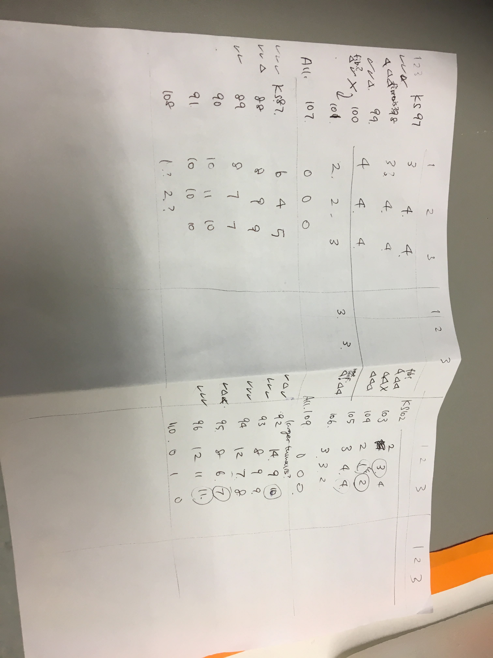
RNA sequencing |  |  |  |  | RNA-seq
Control 1 |  | will be collecting | untreated A/J mice | 2 lobes of RL | Treatment groups | # | Tissue type
Control 2 |  | will be collecting | untreated A/J mice | 2 lobes of RL | untreated A/J lung | 3 | Right lung
Control 3 |  | will be collecting | untreated A/J mice | 2 lobes of RL | ure, anae + veh ctrl 3d post-ure | 3 | Right lung
Sample 1 |  | 192 | ure, anae + veh ctrl 3.5d post-ure (KS192-195) | 2 lobes of RL | ure, anae + veh ctrl 10d post-ure | 3 | Right lung
Sample 2 |  | 193 | ure, anae + veh ctrl 3.5d post-ure (KS192-195) | 2 lobes of RL | ure, 13 Gy 6h post-IR | 3 | Right lung
Sample 3 |  | 194 | ure, anae + veh ctrl 3.5d post-ure (KS192-195) | 2 lobes of RL | ure, 13 Gy 24h post-IR | 2 | Right lung
Sample 4 |  | 132 | ure, anae + veh ctrl 10d post-ure (KS132-135) | 2 lobes of RL | ure, 13 Gy 7d post-IR | 2 | Right lung
Sample 5 |  | 133 | ure, anae + veh ctrl 10d post-ure (KS132-135) | 2 lobes of RL | PBS, 13 Gy 6h post-IR | 2 | Right lung
Sample 6 |  | 134 | ure, anae + veh ctrl 10d post-ure (KS132-135) | 2 lobes of RL | PBS, 13 Gy 24h post-IR | 2 | Right lung
Sample 7 |  | 111 | ure, 13 Gy 6h post-IR (KS111-114) | 2 lobes of RL | PBS, 13 Gy 7d post-IR | 2 | Right lung
Sample 8 |  | 112 | ure, 13 Gy 6h post-IR (KS111-114) | 2 lobes of RL
Sample 9 |  | 113 | ure, 13 Gy 6h post-IR (KS111-114) | 2 lobes of RL | Exome-seq
Sample 10 |  | 118 | ure, 13 Gy 24h post-IR (KS118-121) | 2 lobes of RL | Treatment groups | # | Tissue type
Sample 11 |  | 119 | ure, 13 Gy 24h post-IR (KS118-121) | 2 lobes of RL | untreated A/J lung | 2 | Right lung
Sample 12 |  | 125 | ure, 13 Gy 7d post-IR (KS125-128) | 2 lobes of RL | ure, mock IR + veh, cull 5 mo post-tx | 4 | lung tumour tissue
Sample 13 |  | 126 | ure, 13 Gy 7d post-IR (KS125-128) | 2 lobes of RL | ure, mock IR + DMXAA, cull 5 mo post-tx | 4 | lung tumour tissue
Sample 14 |  | 115 | PBS, 13 Gy 6h post-IR (KS115-117) | 2 lobes of RL | 13 Gy w.th. IR + veh, cull 5mo post-tx | 4 | lung tumour tissue
Sample 15 |  | 116 | PBS, 13 Gy 6h post-IR (KS115-117) | 2 lobes of RL | PBS, 13 Gy + DMXAA | 1 | Right lung
Sample 16 |  | 122 | PBS, 13 Gy 24h post-IR (KS122-124) | 2 lobes of RL
Sample 17 |  | 123 | PBS, 13 Gy 24h post-IR (KS122-124) | 2 lobes of RL
Sample 18 |  | 129 | PBS, 13 Gy 7d post-IR (KS129-131) | 2 lobes of RL
Sample 19 |  | 130 | PBS, 13 Gy 7d post-IR (KS129-131) | 2 lobes of RL

Exome sequencing
Control 1 | S1 | will be collecting |  | adjusted to sample 13
Control 2 | S2 | will be collecting |  | adjusted to sample 13
Sample 1 | S3 | KS87 T1 | ure, mock IR + veh (KS87 T1, KS88 T1, KS89 T1, KS90 T1) | Tumour tissue
Sample 2 | S4 | KS88 T1 | ure, mock IR + veh (KS87 T1, KS88 T1, KS89 T1, KS90 T1) | Tumour tissue
Sample 3 | S5 | KS89 T1 | ure, mock IR + veh (KS87 T1, KS88 T1, KS89 T1, KS90 T1) | Tumour tissue
Sample 4 | S6 | KS90 T1 | ure, mock IR + veh (KS87 T1, KS88 T1, KS89 T1, KS90 T1) | Tumour tissue
Sample 5 | S7 | KS92 T1 | ure, mock IR + DMXAA (KS92 T1, KS93 T1, KS94 T1, KS95 T1) | Tumour tissue
Sample 6 | S8 | KS93 T1 | ure, mock IR + DMXAA (KS92 T1, KS93 T1, KS94 T1, KS95 T1) | Tumour tissue
Sample 7 | S9 | KS94 T1 | ure, mock IR + DMXAA (KS92 T1, KS93 T1, KS94 T1, KS95 T1) | Tumour tissue
Sample 8 | S10 | KS95 T1 | ure, mock IR + DMXAA (KS92 T1, KS93 T1, KS94 T1, KS95 T1) | Tumour tissue
Sample 9 | S11 | KS97 T1 | ure, 13 Gy w.th. IR + veh (KS97 T1, T2, KS99 T1, KS101 T2) | Tumour tissue
Sample 10 | S12 | KS97 T2 | ure, 13 Gy w.th. IR + veh (KS97 T1, T2, KS99 T1, KS101 T2) | Tumour tissue
Sample 11 | S13 | KS99 T1 | ure, 13 Gy w.th. IR + veh (KS97 T1, T2, KS99 T1, KS101 T2) | Tumour tissue
Sample 12 | S14 | KS101 T2 | ure, 13 Gy w.th. IR + veh (KS97 T1, T2, KS99 T1, KS101 T2) | Tumour tissue
Sample 13 | S15 | KS107 | PBS, 13 Gy + DMXAA (KS107-110) | Entire right lung?

Control 1 | S1
Control 2 | S2
Sample 1 | S3 | ure, mock IR + veh
Sample 2 | S4 | ure, mock IR + veh
Sample 3 | S5 | ure, mock IR + veh
Sample 4 | S6 | ure, mock IR + veh
Sample 5 | S7 | ure, mock IR + DMXAA
Sample 6 | S8 | ure, mock IR + DMXAA
Sample 7 | S9 | ure, mock IR + DMXAA
Sample 8 | S10 | ure, mock IR + DMXAA
Sample 9 | S11 | ure, 13 Gy w.th. IR + veh
Sample 10 | S12 | ure, 13 Gy w.th. IR + veh
Sample 11 | S13 | ure, 13 Gy w.th. IR + veh
Sample 12 | S14 | ure, 13 Gy w.th. IR + veh
Sample 13 | S15 | PBS, 13 Gy + DMXAA

